Variance
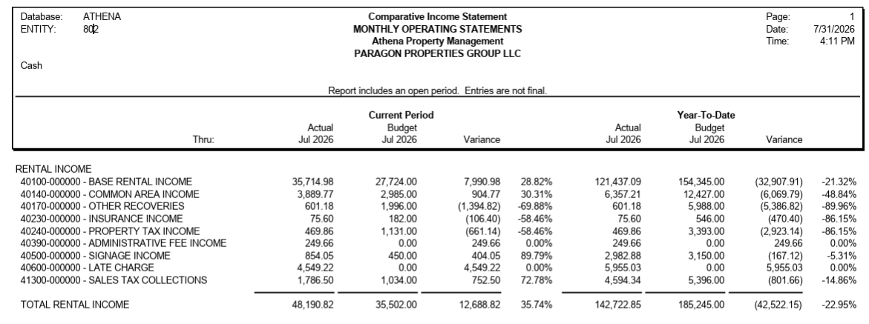
Particulars | Jul-26 |  |  |  |  |  | YTD
 |  | Budget | Payment | Variance | Comments | Budget | Payment | Variance | Comments
Occupational Medicine for Business & Industry |  | 15,046.72 | 37,147.74 | 22,101.02 | BAS $14,065.44 04/26 & 06/26 past due paid NNN $7,977.15 02/26 to 06/26 past due paid SLS $58.44 Budget vs Pmt | 104,096.96 | 110,456.25 | 6,359.29 | LAT $1,405.81 not budgeted in Jan'26 STX $115.29 Budget vs Pmt in Jan'26 & July'26 NNN $4,838.20 Budget vs Pmt in June'26 & July'26
Arizona Sports & Spine Physicians |  | 5,028.64 | 8,000.00 | 2,971.36 | BAS $2,846.80 & NNN $240.41 04/26 & 05/26 Past due paid CAM ($48.18) Short Pmt STX $19.53 Budget vs Pmt CAM (87.00) Budget vs Pmt | 34,865.52 | 27,000.00 | (7,865.52) | BAS ($7,108.31) Short Pmt in Apr'26 to July'26 STX $96.81 Budget vs Pmt from Jan'26 to July'26 NNN ($805.39) No Pmt in May'26 to July'26 CAM ($48.18) Short Pmt in July'26
Arizona Trim Clinic |  | - | 3,043.08 | 3,043.08 | BAS $629.64 & NNN $2,413.44 Not budgeted (NEW TT) | - | 5,266.60 | 5,266.60 | BAS $2,853.16 Not budgeted (New TT) in Apr'26 & July'26 NNN $2,413.44 Not budgeted (NEW TT) in July'26
Vacant |  | 15,426.24 | 0.00 | (15,426.24) | BAS ($9,550.56) & NNN ($5,875.68) No Pmt - Vacant | 46,278.72 | - | (46,278.72) | BAS ($28,651.70) & NNN ($17,627.00) No Pmt - Vacant in May'26 to July'26

 |  | 35,501.60 | 48,190.82 | 12,689.22 |  | 185,241.20 | 142,722.85 | (42,518.35)
 |  | 35,502.00 | 48,190.82 | 12,688.82 |  | 185,245.00 | 142,722.85 | -42,522.15
 |  | 0.40 | - | (0.40) |  | (3.80) | - | 3.80

